Sheet1
Retail Germany GDPR?
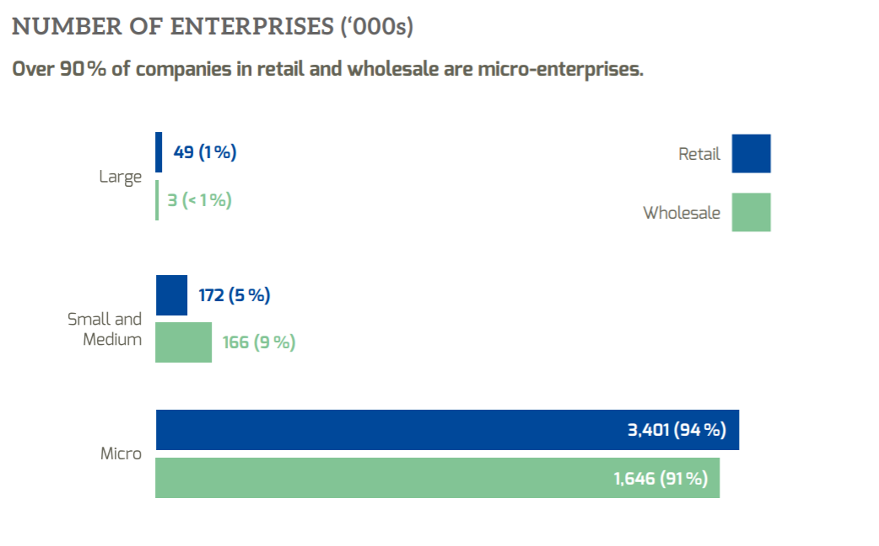
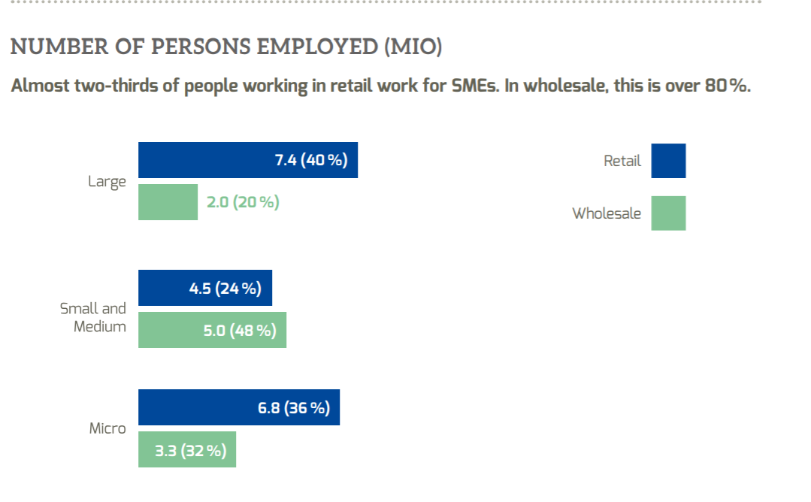
SMEs in Retail in Europe:
5.4 Million companies | 2/3 in retail (3.6 million) and 1/3 in wholesale (1.8 million)
20 million employees | 90% less than 10 employees (microbusinesses)
5.5 trillion € turnover

Online Retailers in Germany:
65% do not sell online
26% sell from their own online shop
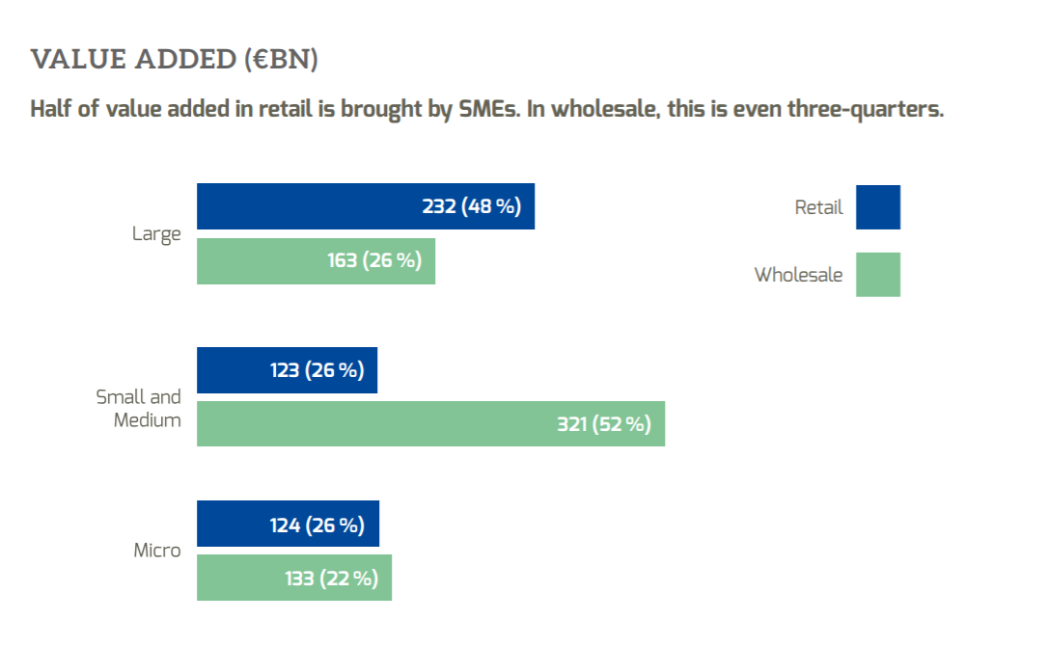
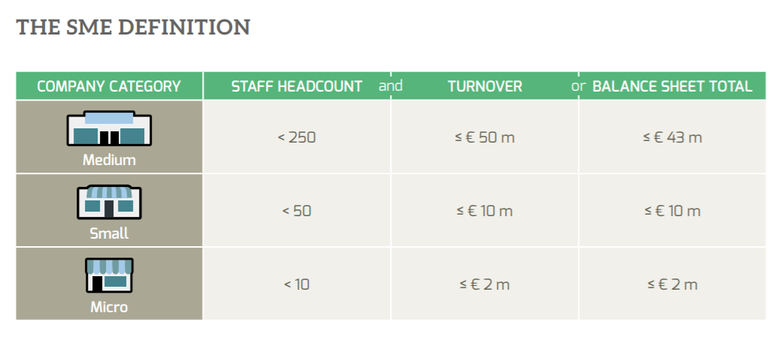
16% sell from online marketplaces (mostly Amazon or eBay)

German sales tax collection 10.8% lower in March 20 than March 19 due to lockdown

retailers are expected to face a loss of 3.26 billion British pounds due to disruptions caused by the current outbreak.

Competitor:
https://shopdaheim.de/
-> search machine for local retailers, leads to the shop's site and enables the customer to order online from there, BUT: shops has to have a website /online shop and normal delivery applies

General information about E-commerce in Europe
Internetusage and online shopping varies hugely among European countries
Top 5: Netherlands, Switzerland, Sweden, Denmark, UK
Bottom 5: Croatia, Bulgaria, Macedonia, Romania, Montenegro
Online shopping ranges from 82% (NL) to 13% (ME)
38% of all online shoppers ordered abroad (from other EU or Non-EU countries)

Retail sales in Europe from 2015 to 2021 (in million euros)
2015 | 2016 | 2017 | 2018 | *2019 | *2020 | *2021
3200000 | 3200000 | 3250000 | 3250000 | 3350000 | 3400000 | 3450000
 |  |  |  |  |  | #

lost retail sales caused by the coronavirus outbreak | 3730 | m €

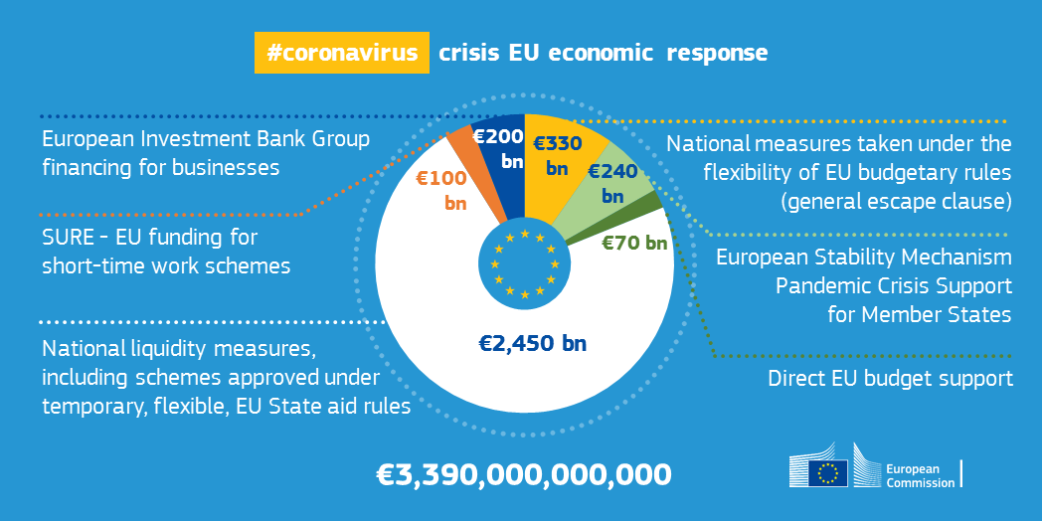
Government approach
EU economic response
European Investment Bank Group financing for businesses | 200 bn
National measures taken under the flexibility of EU budgetary rules (general escape clause) | 330 bn
European Stability Mechanism Pandemic Crsis Support for Member States | 240 bn
Direct EU budget support | 70 bn
National liquidity measures, including schemes approved under temporary, flexible, EU State aid rules | 2450 bn
SURE - EU funding for short-time work schemes | 100 bn

VAT rates Europe
E-commerce share of total global retail sales from 2015 to 2023 | 2020: | 16.1 %
Share of e-commerce in retail revenue in Germany 2009-2017 | 2016: | 12.7 %

Millenial shoppers fact | 82 % of the Millenials prefer buying in brick-and-mortar stores

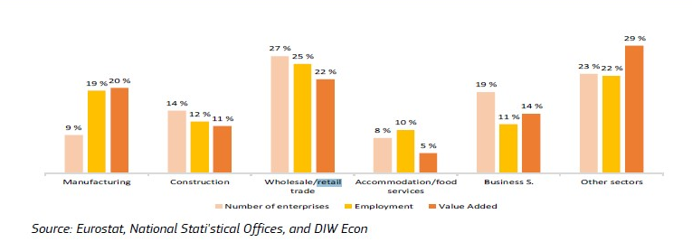
Total VAT Germany comp. March 2020 - 2019 | - 10.8 %
Employment Retail SMEs (2016/17) | 70 % | SMEs accounted for 70% of EU-28 employment in the ‘retail and wholesale trade’ sector

Calculation Total paid VAT in Europe sales of SME retailers:
981,750 | million € yearly offline |  | assumptions
81,813 | million € monthly offline |  | 85% | offline sales
1,155,000 | million € yearly offline + online |  | 21% | VAT (mean value Europe)
96,250 | million € monthly offline + online |  | 5.5 | trillion € revenue

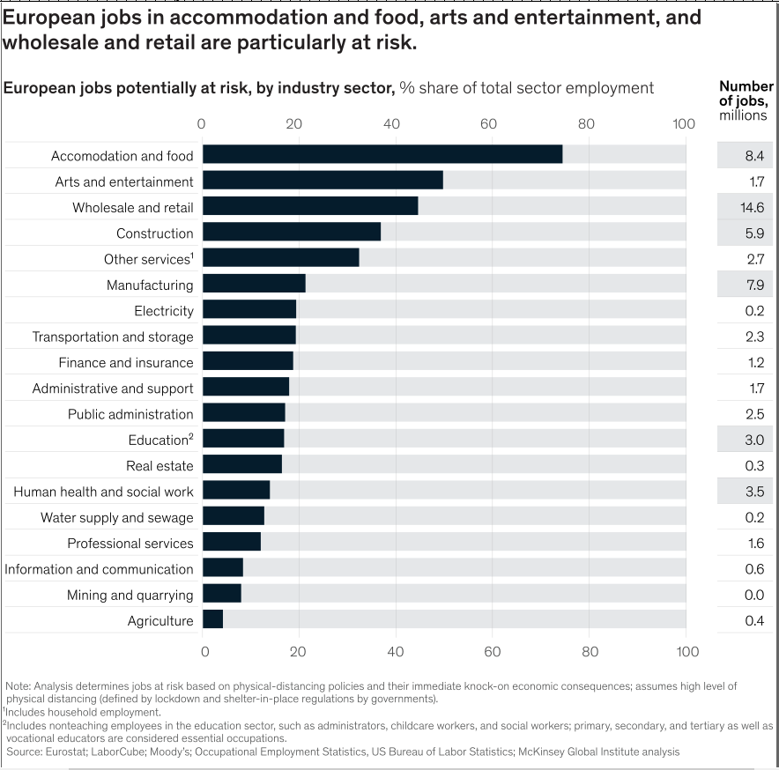
Estimated loss of total paid VAT in Europe during Covid-19
783.3 | m €
0.07% | Percentage of yearly VAT tax income | *Seems to less for me, I'll check other numbers later

 |  |  |  |  |  |  | https://www.mckinsey.com/industries/public-sector/our-insights/safeguarding-europes-livelihoods-mitigating-the-employment-impact-of-covid-19

